Data
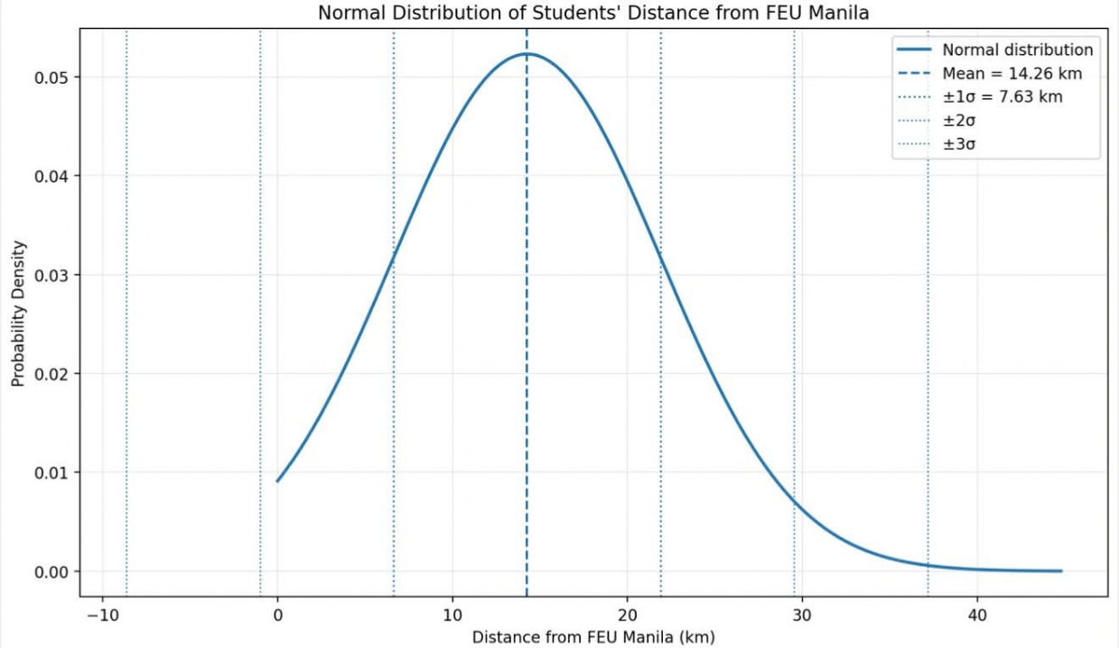
Distance Group (km) | Frequency (f) | Cumulative Frequency (cf)
1 - 5 | 8 | 8 | Mean: | 14.26 | Range | Calculation | Lower Limit (km) | Upper Limit (km) | Empirical Rule | Approx. Students (n=50) | Practical Range
6 - 10 | 11 | 19 | Standard deviation: | 7.63 | Within 1σ | 14.26 ± 7.63 | 6.63 | 21.89 | 68% | 34 | 6.63–21.89 km
11 - 15 | 9 | 28 |  |  | Within 2σ | 14.26 ± 2(7.63) | -1 | 29.52 | 95% | 48 | 0–29.52 km
16 - 20 | 12 | 40 |  |  | Within 3σ | 14.26 ± 3(7.63) | -8.63 | 37.15 | 99.70% | 50 | 0–37.15 km
21 - 25 | 6 | 46
26 - 30 | 4 | 50

Distance from Students Home to FEU Manila

